STEEL 55.4 40-45
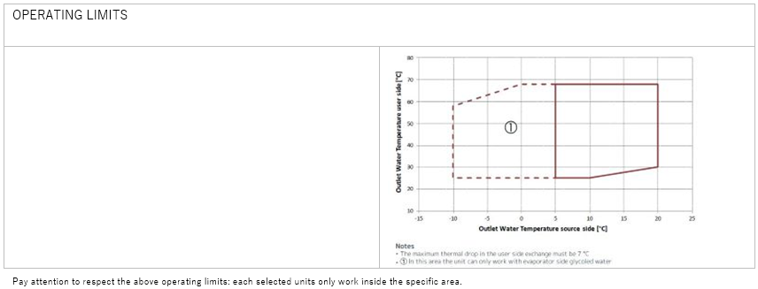
HEATING MODE
HEAT EXCHANGER SOURCE SIDE
Type | - | BPE
Fluid Inlet Temperature | °C | 4
Fluid Outlet Temperature | °C | 0
Fluid type | - | Eth. gly.
Glycol | % | 30.00%
Fouling Factor | m²K/kW | 0
Water flow | m³/h | 8.907
Pressure drops | kPa | 22
HEAT EXCHANGER USER SIDE
Type | - | BPE
Fluid Inlet Temperature | °C | 40
Fluid Outlet Temperature | °C | 45
Fluid type | - | Water
Glycol | % | -
Fouling Factor | m²K/kW | 0
Water flow | m³/h | 8.763
Pressure drops | kPa | 19.4
HEATING - EN 14511-2022
Heating Capacity | kW | 50.6
Total power input | kW | 13.4
COP | W/W | 3.78
SCOP LT(B0)/MT(B1) | W/W | -/4.55
hs,h LT(B0)/MT(B1) | % | -/174
COOLING MODE
HEAT EXCHANGER SOURCE SIDE
Type | - | BPE
Fluid Inlet Temperature | °C | 30
Fluid Outlet Temperature | °C | 35
Fluid type | - | Water
Glycol | % | -
Fouling Factor | m²K/kW | 0
Water flow | m³/h | 10.87
Pressure drops | kPa | 31.8
HEAT EXCHANGER USER SIDE
Type | - | BPE
Fluid Inlet Temperature | °C | 12
Fluid Outlet Temperature | °C | 7
Fluid type | - | Eth. gly.
Glycol | % | 30.00%
Fouling Factor | m²K/kW | 0
Water flow | m³/h | 9.74
Pressure drops | kPa | 24.3
COOLING - EN 14511-2022
Cooling capacity | kW | 51.1
Total power input | kW | 12
EER | W/W | 4.26
SEER(B2) | W/W | 4.9
hs,c(B2) | % | 188
COMPRESSORS
Compressors Type | - | Scroll
Compressors Number | N° | 4
N° Circuits | N° | 2
Refrigerant | - | R290
Capacity Steps | - | 4
Refrigerant Charge | kg | 3
Max Absorbed Power | kW | 19.7
Max Absorbed Current | A | 35.1
DIMENSIONS
Length | mm | 1400
Width | mm | 790
N° Height | mm | 1300
Net weight | kg | 0
NOISE DATA
Sound Power Level | dB(A) | 70
Sound Pressure Level [10.0 m] | dB(A) | 39
ELECTRICAL DATA
Power Supply | ph/V/Hz | 3/360-440/50.0
Max Absorbed Power | kW | 19.7
Max Absorbed Current | A | 35.1
Max Inrush Current | A | 90.3

STEEL 55.4 50-55
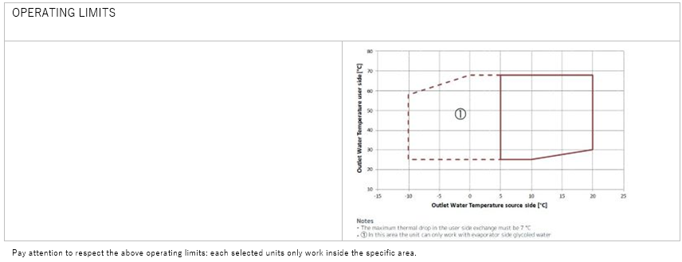
HEATING MODE
HEAT EXCHANGER SOURCE SIDE
Type | - | BPE
Fluid Inlet Temperature | °C | 4
Fluid Outlet Temperature | °C | 0
Fluid type | - | Eth. gly.
Glycol | % | 30.00%
Fouling Factor | m²K/kW | 0
Water flow | m³/h | 7.982
Pressure drops | kPa | 18.1
HEAT EXCHANGER USER SIDE
Type | - | BPE
Fluid Inlet Temperature | °C | 50
Fluid Outlet Temperature | °C | 55
Fluid type | - | Water
Glycol | % | -
Fouling Factor | m²K/kW | 0
Water flow | m³/h | 8.519
Pressure drops | kPa | 17.7
HEATING - EN 14511-2022
Heating Capacity | kW | 49
Total power input | kW | 15.7
COP | W/W | 3.12
SCOP LT(B0)/MT(B1) | W/W | -/4.55
hs,h LT(B0)/MT(B1) | % | -/174
COOLING MODE
HEAT EXCHANGER SOURCE SIDE
Type | - | BPE
Fluid Inlet Temperature | °C | 30
Fluid Outlet Temperature | °C | 35
Fluid type | - | Water
Glycol | % | -
Fouling Factor | m²K/kW | 0
Water flow | m³/h | 10.87
Pressure drops | kPa | 31.8
HEAT EXCHANGER USER SIDE
Type | - | BPE
Fluid Inlet Temperature | °C | 12
Fluid Outlet Temperature | °C | 7
Fluid type | - | Eth. gly.
Glycol | % | 30.00%
Fouling Factor | m²K/kW | 0
Water flow | m³/h | 9.74
Pressure drops | kPa | 24.3
COOLING - EN 14511-2022
Cooling capacity | kW | 51.1
Total power input | kW | 12
EER | W/W | 4.26
SEER(B2) | W/W | 4.9
hs,c(B2) | % | 188
COMPRESSORS
Compressors Type | - | Scroll
Compressors Number | N° | 4
N° Circuits | N° | 2
Refrigerant | - | R290
Capacity Steps | - | 4
Refrigerant Charge | kg | 3
Max Absorbed Power | kW | 19.7
Max Absorbed Current | A | 35.1
DIMENSIONS
Length | mm | 1400
Width | mm | 790
N° Height | mm | 1300
Net weight | kg | 0
NOISE DATA
Sound Power Level | dB(A) | 70
Sound Pressure Level [10.0 m] | dB(A) | 39
ELECTRICAL DATA
Power Supply | ph/V/Hz | 3/360-440/50.0
Max Absorbed Power | kW | 19.7
Max Absorbed Current | A | 35.1
Max Inrush Current | A | 90.3

IRON 120.2 40-45
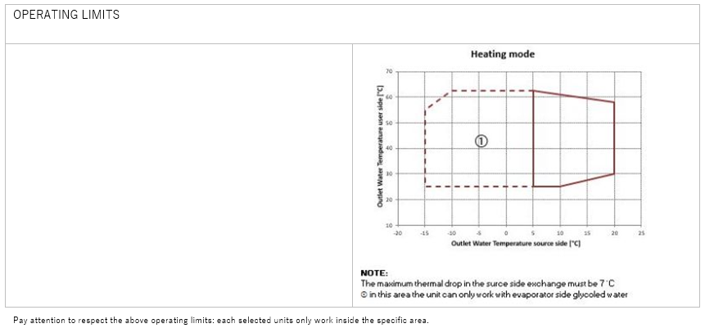
HEATING MODE
HEAT EXCHANGER SOURCE SIDE
Type | - | BPE
Fluid Inlet Temperature | °C | 4
Fluid Outlet Temperature | °C | 0
Fluid type | - | Eth. gly.
Glycol | % | 30.00%
Fouling Factor | m²K/kW | 0
Water flow | m³/h | 18.88
Pressure drops | kPa | 15.1
HEAT EXCHANGER USER SIDE
Type | - | BPE
Fluid Inlet Temperature | °C | 40
Fluid Outlet Temperature | °C | 45
Fluid type | - | Water
Glycol | % | -
Fouling Factor | m²K/kW | 0
Water flow | m³/h | 18.54
Pressure drops | kPa | 12.5
HEATING - EN 14511-2022
Heating Capacity | kW | 107
Total power input | kW | 28
COP | W/W | 3.82
SCOP LT(B0)/MT(B1) | W/W | -/4.72
hs,h LT(B0)/MT(B1) | % | -/181
COOLING MODE
HEAT EXCHANGER SOURCE SIDE
Type | - | BPE
Fluid Inlet Temperature | °C | 30
Fluid Outlet Temperature | °C | 35
Fluid type | - | Water
Glycol | % | -
Fouling Factor | m²K/kW | 0
Water flow | m³/h | 23.64
Pressure drops | kPa | 31.8
HEAT EXCHANGER USER SIDE
Type | - | BPE
Fluid Inlet Temperature | °C | 12
Fluid Outlet Temperature | °C | 7
Fluid type | - | Eth. gly.
Glycol | % | 30.00%
Fouling Factor | m²K/kW | 0
Water flow | m³/h | 21.05
Pressure drops | kPa | 17.3
COOLING - EN 14511-2022
Cooling capacity | kW | 111
Total power input | kW | 26.5
EER | W/W | 4.19
SEER(B2) | W/W | 6.19
hs,c(B2) | % | 240
SEPR(B3) | W/W | 8.8
COMPRESSORS
Compressors Type | - | Reciprocating
Compressors Number | N° | 2
N° Circuits | N° | 2
Refrigerant | - | R290
Capacity Steps | - | 4
Refrigerant Charge | kg | 6.4
Max Absorbed Power | kW | 39.1
Max Absorbed Current | A | 73.8
DIMENSIONS
Length | mm | 1832
Width | mm | 1200
N° Height | mm | 1800
Net weight | kg | 0
NOISE DATA
Sound Power Level | dB(A) | 78
Sound Pressure Level [10.0 m] | dB(A) | 46
ELECTRICAL DATA
Power Supply | ph/V/Hz | 3/360-440/50.0
Max Absorbed Power | kW | 39.1
Max Absorbed Current | A | 73.8
Max Inrush Current | A | 155

IRON 120.2 50-55

HEATING MODE
HEAT EXCHANGER SOURCE SIDE
Type | - | BPE
Fluid Inlet Temperature | °C | 4
Fluid Outlet Temperature | °C | 0
Fluid type |  | Eth. gly.
Glycol | % | 30.00%
Fouling Factor | m²K/kW | 0
Water flow | m³/h | 16.72
Pressure drops | kPa | 12.2
HEAT EXCHANGER USER SIDE
Type | - | BPE
Fluid Inlet Temperature | °C | 50
Fluid Outlet Temperature | °C | 55
Fluid type | - | Water
Glycol | % | -
Fouling Factor | m²K/kW | 0
Water flow | m³/h | 17.5
Pressure drops | kPa | 10.8
HEATING - EN 14511-2022
Heating Capacity | kW | 100
Total power input | kW | 30.6
COP | W/W | 3.27
SCOP LT(B0)/MT(B1) | W/W | -/4.72
hs,h LT(B0)/MT(B1) | % | -/181
COOLING MODE
HEAT EXCHANGER SOURCE SIDE
Type | - | BPE
Fluid Inlet Temperature | °C | 30
Fluid Outlet Temperature | °C | 35
Fluid type | - | Water
Glycol | % | -
Fouling Factor | m²K/kW | 0
Water flow | m³/h | 23.64
Pressure drops | kPa | 31.8
HEAT EXCHANGER USER SIDE
Type | - | BPE
Fluid Inlet Temperature | °C | 12
Fluid Outlet Temperature | °C | 7
Fluid type |  | Eth. gly.
Glycol | % | 30.00%
Fouling Factor | m²K/kW | 0
Water flow | m³/h | 21.05
Pressure drops | kPa | 17.3
COOLING - EN 14511-2022
Cooling capacity | kW | 111
Total power input | kW | 26.5
EER | W/W | 4.19
SEER(B2) | W/W | 6.19
hs,c(B2) | % | 240
SEPR(B3) | W/W | 8.8
COMPRESSORS
Compressors Type | - | Reciprocating
Compressors Number | N° | 2
N° Circuits | N° | 2
Refrigerant | - | R290
Capacity Steps | - | 4
Refrigerant Charge | kg | 6.4
Max Absorbed Power | kW | 39.1
Max Absorbed Current | A | 73.8
DIMENSIONS
Length | mm | 1832
Width | mm | 1200
N° Height | mm | 1800
Net weight | kg | 0
NOISE DATA
Sound Power Level | dB(A) | 78
Sound Pressure Level [10.0 m] | dB(A) | 46
ELECTRICAL DATA
Power Supply | ph/V/Hz | 3/360-440/50.0
Max Absorbed Power | kW | 39.1
Max Absorbed Current | A | 73.8
Max Inrush Current | A | 155

IRON 150.2 40-45
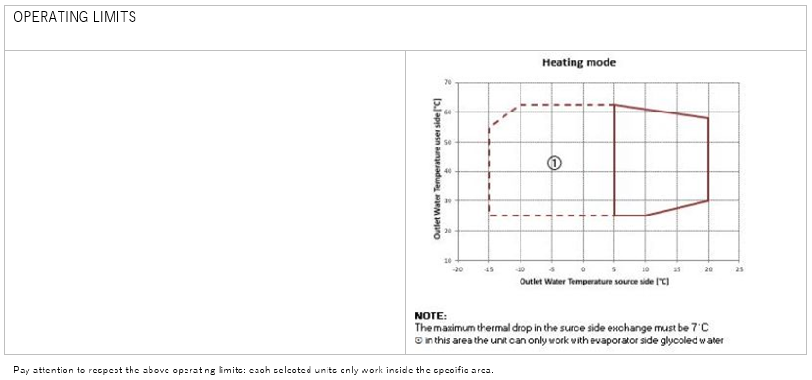
HEATING MODE
HEAT EXCHANGER SOURCE SIDE
Type | - | BPE
Fluid Inlet Temperature | °C | 4
Fluid Outlet Temperature | °C | 0
Fluid type | - | Eth. gly.
Glycol | % | 30.00%
Fouling Factor | m²K/kW | 0
Water flow | m³/h | 20.64
Pressure drops | kPa | 18.2
HEAT EXCHANGER USER SIDE
Type | - | BPE
Fluid Inlet Temperature | °C | 50
Fluid Outlet Temperature | °C | 55
Fluid type | - | Water
Glycol | % | -
Fouling Factor | m²K/kW | 0
Water flow | m³/h | 21.99
Pressure drops | kPa | 13.2
HEATING - EN 14511-2022
Heating Capacity | kW | 126
Total power input | kW | 40.1
COP | W/W | 3.14
SCOP LT(B0)/MT(B1) | W/W | -/4.48
hs,h LT(B0)/MT(B1) | % | -/171
COOLING MODE
HEAT EXCHANGER SOURCE SIDE
Type | - | BPE
Fluid Inlet Temperature | °C | 30
Fluid Outlet Temperature | °C | 35
Fluid type | - | Water
Glycol | % | -
Fouling Factor | m²K/kW | 0
Water flow | m³/h | 28.05
Pressure drops | kPa | 31.8
HEAT EXCHANGER USER SIDE
Type | - | BPE
Fluid Inlet Temperature | °C | 12
Fluid Outlet Temperature | °C | 7
Fluid type | - | Eth. gly.
Glycol | % | 30.00%
Fouling Factor | m²K/kW | 0
Water flow | m³/h | 24.7
Pressure drops | kPa | 23.5
COOLING - EN 14511-2022
Cooling capacity | kW | 130
Total power input | kW | 33.1
EER | W/W | 3.93
SEER(B2) | W/W | 5.72
hs,c(B2) | % | 221
SEPR(B3) | W/W | 7.74
COMPRESSORS
Compressors Type | - | Reciprocating
Compressors Number | N° | 2
N° Circuits | N° | 2
Refrigerant |  | R290
Capacity Steps | - | 4
Refrigerant Charge | kg | 6.6
Max Absorbed Power | kW | 49.2
Max Absorbed Current | A | 85.6
DIMENSIONS
Length | mm | 1832
Width | mm | 1200
N° Height | mm | 1800
Net weight | kg | 0
NOISE DATA
Sound Power Level | dB(A) | 78
Sound Pressure Level [10.0 m] | dB(A) | 46
ELECTRICAL DATA
Power Supply | ph/V/Hz | 3/360-440/50.0
Max Absorbed Power | kW | 49.2
Max Absorbed Current | A | 85.6
Max Inrush Current | A | 187

IRON 150.2 50-55

HEATING MODE
HEAT EXCHANGER SOURCE SIDE
Type | - | BPE
Fluid Inlet Temperature | °C | 4
Fluid Outlet Temperature | °C | 0
Fluid type | - | Eth. gly.
Glycol | % | 30.00%
Fouling Factor | m²K/kW | 0
Water flow | m³/h | 22.87
Pressure drops | kPa | 21.8
HEAT EXCHANGER USER SIDE
Type | - | BPE
Fluid Inlet Temperature | °C | 40
Fluid Outlet Temperature | °C | 45
Fluid type | - | Water
Glycol | % | -
Fouling Factor | m²K/kW | 0
Water flow | m³/h | 22.85
Pressure drops | kPa | 14.7
HEATING - EN 14511-2022
Heating Capacity | kW | 132
Total power input | kW | 36.3
COP | W/W | 3.64
SCOP LT(B0)/MT(B1) | W/W | -/4.48
hs,h LT(B0)/MT(B1) | % | -/171
COOLING MODE
HEAT EXCHANGER SOURCE SIDE
Type | - | BPE
Fluid Inlet Temperature | °C | 30
Fluid Outlet Temperature | °C | 35
Fluid type | - | Water
Glycol | % | -
Fouling Factor | m²K/kW | 0
Water flow | m³/h | 28.05
Pressure drops | kPa | 31.8
HEAT EXCHANGER USER SIDE
Type | - | BPE
Fluid Inlet Temperature | °C | 12
Fluid Outlet Temperature | °C | 7
Fluid type | - | Eth. gly.
Glycol | % | 30.00%
Fouling Factor | m²K/kW | 0
Water flow | m³/h | 24.7
Pressure drops | kPa | 23.5
COOLING - EN 14511-2022
Cooling capacity | kW | 130
Total power input | kW | 33.1
EER | W/W | 3.93
SEER(B2) | W/W | 5.72
hs,c(B2) | % | 221
SEPR(B3) | W/W | 7.74
COMPRESSORS
Compressors Type | - | Reciprocating
Compressors Number | N° | 2
N° Circuits | N° | 2
Refrigerant | - | R290
Capacity Steps | - | 4
Refrigerant Charge | kg | 6.6
Max Absorbed Power | kW | 49.2
Max Absorbed Current | A | 85.6
DIMENSIONS
Length | mm | 1832
Width | mm | 1200
N° Height | mm | 1800
Net weight | kg | 0
NOISE DATA
Sound Power Level | dB(A) | 78
Sound Pressure Level [10.0 m] | dB(A) | 46
ELECTRICAL DATA
Power Supply | ph/V/Hz | 3/360-440/50.0
Max Absorbed Power | kW | 49.2
Max Absorbed Current | A | 85.6
Max Inrush Current | A | 187

IRON 170.2 40-45

HEATING MODE
HEAT EXCHANGER SOURCE SIDE
Type | - | BPE
Fluid Inlet Temperature | °C | 4
Fluid Outlet Temperature | °C | 0
Fluid type | - | Eth. gly.
Glycol | % | 30.00%
Fouling Factor | m²K/kW | 0
Water flow | m³/h | 26.87
Pressure drops | kPa | 20.3
HEAT EXCHANGER USER SIDE
Type | - | BPE
Fluid Inlet Temperature | °C | 40
Fluid Outlet Temperature | °C | 45
Fluid type | - | Water
Glycol | % | -
Fouling Factor | m²K/kW | 0
Water flow | m³/h | 26.45
Pressure drops | kPa | 15.6
HEATING - EN 14511-2022
Heating Capacity | kW | 153
Total power input | kW | 40.4
COP | W/W | 3.79
SCOP LT(B0)/MT(B1) | W/W | -/4.57
hs,h LT(B0)/MT(B1) | % | -/175
COOLING MODE
HEAT EXCHANGER SOURCE SIDE
Type | - | BPE
Fluid Inlet Temperature | °C | 30
Fluid Outlet Temperature | °C | 35
Fluid type | - | Water
Glycol | % | -
Fouling Factor | m²K/kW | 0
Water flow | m³/h | 33.01
Pressure drops | kPa | 31.8
HEAT EXCHANGER USER SIDE
Type | - | BPE
Fluid Inlet Temperature | °C | 12
Fluid Outlet Temperature | °C | 7
Fluid type | - | Eth. gly.
Glycol | % | 30.00%
Fouling Factor | m²K/kW | 0
Water flow | m³/h | 29.35
Pressure drops | kPa | 22.3
COOLING - EN 14511-2022
Cooling capacity | kW | 154
Total power input | kW | 37.4
EER | W/W | 4.12
SEER(B2) | W/W | 5.68
hs,c(B2) | % | 219
SEPR(B3) | W/W | 8.23
COMPRESSORS
Compressors Type |  | Reciprocating
Compressors Number | N° | 2
N° Circuits | N° | 2
Refrigerant |  | R290
Capacity Steps | - | 4
Refrigerant Charge | kg | 7.4
Max Absorbed Power | kW | 58.6
Max Absorbed Current | A | 108
DIMENSIONS
Length | mm | 1832
Width | mm | 1200
N° Height | mm | 1800
Net weight | kg | 0
NOISE DATA
Sound Power Level | dB(A) | 78
Sound Pressure Level [10.0 m] | dB(A) | 46
ELECTRICAL DATA
Power Supply | ph/V/Hz | 3/360-440/50.0
Max Absorbed Power | kW | 58.6
Max Absorbed Current | A | 108
Max Inrush Current | A | 198

IRON 170.2 50-55
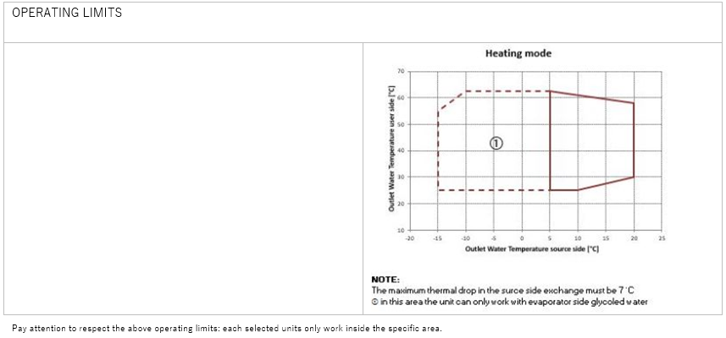
HEATING MODE
HEAT EXCHANGER SOURCE SIDE
Type | - | BPE
Fluid Inlet Temperature | °C | 4
Fluid Outlet Temperature | °C | 0
Fluid type | - | Eth. gly.
Glycol | % | 30.00%
Fouling Factor | m²K/kW | 0
Water flow | m³/h | 24.83
Pressure drops | kPa | 17.6
HEAT EXCHANGER USER SIDE
Type | - | BPE
Fluid Inlet Temperature | °C | 50
Fluid Outlet Temperature | °C | 55
Fluid type | - | Water
Glycol | % | -
Fouling Factor | m²K/kW | 0
Water flow | m³/h | 25.87
Pressure drops | kPa | 14.4
HEATING - EN 14511-2022
Heating Capacity | kW | 149
Total power input | kW | 44.9
COP | W/W | 3.32
SCOP LT(B0)/MT(B1) | W/W | -/4.57
hs,h LT(B0)/MT(B1) | % | -/175
COOLING MODE
HEAT EXCHANGER SOURCE SIDE
Type | - | BPE
Fluid Inlet Temperature | °C | 30
Fluid Outlet Temperature | °C | 35
Fluid type | - | Water
Glycol | % | -
Fouling Factor | m²K/kW | 0
Water flow | m³/h | 33.01
Pressure drops | kPa | 31.8
HEAT EXCHANGER USER SIDE
Type | - | BPE
Fluid Inlet Temperature | °C | 12
Fluid Outlet Temperature | °C | 7
Fluid type | - | Eth. gly.
Glycol | % | 30.00%
Fouling Factor | m²K/kW | 0
Water flow | m³/h | 29.35
Pressure drops | kPa | 22.3
COOLING - EN 14511-2022
Cooling capacity | kW | 154
Total power input | kW | 37.4
EER | W/W | 4.12
SEER(B2) | W/W | 5.68
hs,c(B2) | % | 219
SEPR(B3) | W/W | 8.23
COMPRESSORS
Compressors Type | - | Reciprocating
Compressors Number | N° | 2
N° Circuits | N° | 2
Refrigerant | - | R290
Capacity Steps | - | 4
Refrigerant Charge | kg | 7.4
Max Absorbed Power | kW | 58.6
Max Absorbed Current | A | 108
DIMENSIONS
Length | mm | 1832
Width | mm | 1200
N° Height | mm | 1800
Net weight | kg | 0
NOISE DATA
Sound Power Level | dB(A) | 78
Sound Pressure Level [10.0 m] | dB(A) | 46
ELECTRICAL DATA
Power Supply | ph/V/Hz | 3/360-440/50.0
Max Absorbed Power | kW | 58.6
Max Absorbed Current | A | 108
Max Inrush Current | A | 198

IRON 200.2 40-45
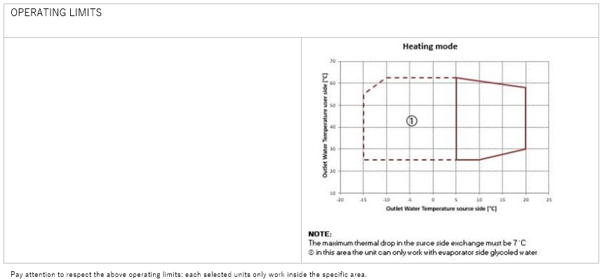
HEATING MODE
HEAT EXCHANGER SOURCE SIDE
Type | - | BPE
Fluid Inlet Temperature | °C | 4
Fluid Outlet Temperature | °C | 0
Fluid type |  | Eth. gly.
Glycol | % | 30.00%
Fouling Factor | m²K/kW | 0
Water flow | m³/h | 31.82
Pressure drops | kPa | 21.5
HEAT EXCHANGER USER SIDE
Type | - | BPE
Fluid Inlet Temperature | °C | 40
Fluid Outlet Temperature | °C | 45
Fluid type | - | Water
Glycol | % | -
Fouling Factor | m²K/kW | 0
Water flow | m³/h | 31.47
Pressure drops | kPa | 16.8
HEATING - EN 14511-2022
Heating Capacity | kW | 181
Total power input | kW | 48.7
COP | W/W | 3.72
SCOP LT(B0)/MT(B1) | W/W | -/4.52
hs,h LT(B0)/MT(B1) | % | -/173
COOLING MODE
HEAT EXCHANGER SOURCE SIDE
Type | - | BPE
Fluid Inlet Temperature | °C | 30
Fluid Outlet Temperature | °C | 35
Fluid type | - | Water
Glycol | % | -
Fouling Factor | m²K/kW | 0
Water flow | m³/h | 39.11
Pressure drops | kPa | 31.8
HEAT EXCHANGER USER SIDE
Type | - | BPE
Fluid Inlet Temperature | °C | 12
Fluid Outlet Temperature | °C | 7
Fluid type |  | Eth. gly.
Glycol | % | 30.00%
Fouling Factor | m²K/kW | 0
Water flow | m³/h | 34.68
Pressure drops | kPa | 23.5
COOLING - EN 14511-2022
Cooling capacity | kW | 182
Total power input | kW | 44.9
EER | W/W | 4.05
SEER(B2) | W/W | 5.87
hs,c(B2) | % | 227
SEPR(B3) | W/W | 8.68
COMPRESSORS
Compressors Type | - | Reciprocating
Compressors Number | N° | 2
N° Circuits | N° | 2
Refrigerant | - | R290
Capacity Steps | - | 4
Refrigerant Charge | kg | 9.4
Max Absorbed Power | kW | 68.4
Max Absorbed Current | A | 122
DIMENSIONS
Length | mm | 1832
Width | mm | 1200
N° Height | mm | 1800
Net weight | kg | 0
NOISE DATA
Sound Power Level | dB(A) | 79
Sound Pressure Level [10.0 m] | dB(A) | 47
ELECTRICAL DATA
Power Supply | ph/V/Hz | 3/360-440/50.0
Max Absorbed Power | kW | 68.4
Max Absorbed Current | A | 122
Max Inrush Current | A | 220

IRON 200.2 50-55

HEATING MODE
HEAT EXCHANGER SOURCE SIDE
Type | - | BPE
Fluid Inlet Temperature | °C | 4
Fluid Outlet Temperature | °C | 0
Fluid type | - | Eth. gly.
Glycol | % | 30.00%
Fouling Factor | m²K/kW | 0
Water flow | m³/h | 29.02
Pressure drops | kPa | 18.2
HEAT EXCHANGER USER SIDE
Type | - | BPE
Fluid Inlet Temperature | °C | 50
Fluid Outlet Temperature | °C | 55
Fluid type | - | Water
Glycol | % | -
Fouling Factor | m²K/kW | 0
Water flow | m³/h | 30.37
Pressure drops | kPa | 15.1
HEATING - EN 14511-2022
Heating Capacity | kW | 174
Total power input | kW | 53.3
COP | W/W | 3.26
SCOP LT(B0)/MT(B1) | W/W | -/4.52
hs,h LT(B0)/MT(B1) | % | -/173
COOLING MODE
HEAT EXCHANGER SOURCE SIDE
Type | - | BPE
Fluid Inlet Temperature | °C | 30
Fluid Outlet Temperature | °C | 35
Fluid type | - | Water
Glycol | % | -
Fouling Factor | m²K/kW | 0
Water flow | m³/h | 39.11
Pressure drops | kPa | 31.8
HEAT EXCHANGER USER SIDE
Type | - | BPE
Fluid Inlet Temperature | °C | 12
Fluid Outlet Temperature | °C | 7
Fluid type | - | Eth. gly.
Glycol | % | 30.00%
Fouling Factor | m²K/kW | 0
Water flow | m³/h | 34.68
Pressure drops | kPa | 23.5
COOLING - EN 14511-2022
Cooling capacity | kW | 182
Total power input | kW | 44.9
EER | W/W | 4.05
SEER(B2) | W/W | 5.87
hs,c(B2) | % | 227
SEPR(B3) | W/W | 8.68
COMPRESSORS
Compressors Type | - | Reciprocating
Compressors Number | N° | 2
N° Circuits | N° | 2
Refrigerant | - | R290
Capacity Steps | - | 4
Refrigerant Charge | kg | 9.4
Max Absorbed Power | kW | 68.4
Max Absorbed Current | A | 122
DIMENSIONS
Length | mm | 1832
Width | mm | 1200
N° Height | mm | 1800
Net weight | kg | 0
NOISE DATA
Sound Power Level | dB(A) | 79
Sound Pressure Level [10.0 m] | dB(A) | 47
ELECTRICAL DATA
Power Supply | ph/V/Hz | 3/360-440/50.0
Max Absorbed Power | kW | 68.4
Max Absorbed Current | A | 122
Max Inrush Current | A | 220

